Mozport
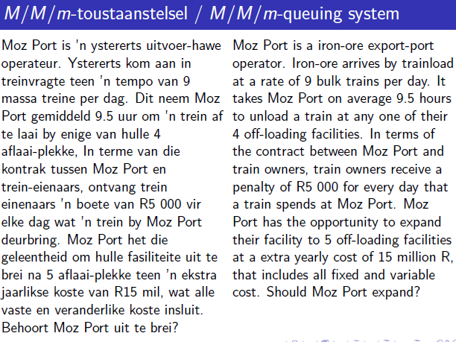
lambda | 9 | trains per day (arrival rate) |  | assume: | 24 | hours per day
mu | 2.53 | trains per day (service rate) |  |  | 365.25 | days per year
m | 5
mmu | 12.631578947 | <= combined service rate
Ls | 3.5625
rho | 0.7125 | <1?
 |  |  |  | Sum for P0 | 25.155050278
Lq | 0.9864 | trains |  | n | sumterms
Ls | 3.5625 | trains |  | 0 | 1
L | 4.5489 | trains |  | 1 | 3.5625
Wq | 0.10960081118 | days |  | 2 | 6.345703125
Ws | 0.39583333333 |  | m=4 | 3 | 7.5355224609
W | 0.50543414451 | days |  | 4 | 6.7113246918
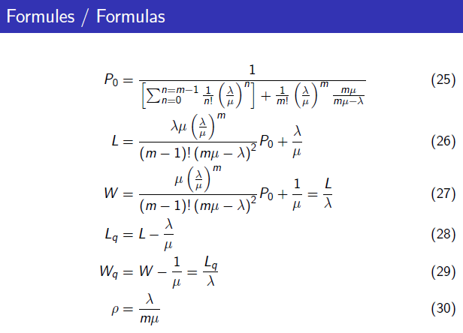
rho
P0 | 0.023930622076 | 1/fact(m) | 0.0083333333333
 | 0.023930622076 | (lambda/mu)^m | 573.81826115
annual penalties: |  | last one | 3.4782608696
lambda | 9
W | 0.50543414451 | days
penalty | R5,000.00 | per day
days | 365.25 | days

 | current | proposed
Facilities: | 4 | 5
annual penalties: | R17,940,072.44 | R8,307,441.96

savings | R9,632,630.49
extra cost | R15,000,000.00
annual net gain= | -R5,367,369.51

don't upgrade, yet!

